Salary Dashboard
Department Sum of Total Gross Pay Engineering $13,197.50 Finance $6,839.00 HR $6,739.00 IT $7,632.50 Marketing $5,824.17 Operations $7,590.33 Sales $9,071.50 Total $56,910.84 Grand Total $113,804.84 |  |  | 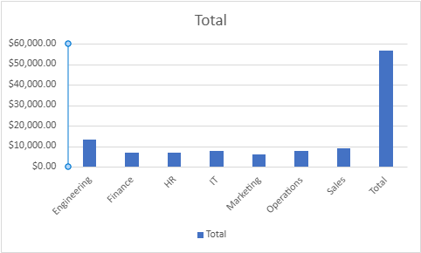

Department | Sum of Total Gross Pay | Sum of Total Overtime Cost
Engineering | $13,197.50 | $477.00
Finance | $6,839.00 | $0.00
HR | $6,739.00 | $0.00
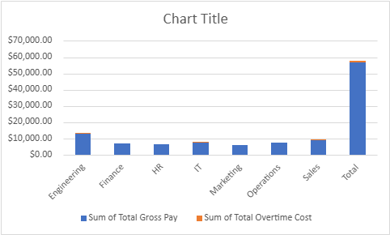
IT | $7,632.50 | $131.25
Marketing | $5,824.17 | $0.00
Operations | $7,590.33 | $0.00
Sales | $9,071.50 | $63.00
Total | $56,910.84 | $671.25
Grand Total | $113,804.84 | $1,342.50

Department Sum of Total Gross Pay Engineering $13,197.50 Finance $6,839.00 HR $6,739.00 IT $7,632.50 Marketing $5,824.17 Operations $7,590.33 Sales $9,071.50 Total $56,910.84 Grand Total $113,804.84 |  |  |  | 